1. Title Page
[Grocery Basket Analysis]

Project Name: Instacart Grocery Basket Analysis
Date: 15/07/2023
Analyst Name: Lydia Fearn

Contents:
Population Flow
Consistency checks
Wrangling steps
Column derivations
Visualizations
Recommendations

Data:
“The Instacart Online Grocery Shopping Dataset 2017”, Accessed from www.instacart.com/datasets/grocery-shopping-2017 via Kaggle on June 15, 2023.

2. Population Flow
Title page

Population flow

Exclusion flag
Condition: max_order < 5 ('low-activity' customers)
Obervations to be removed: 2233024
Final total count of order_products_all: 30166708

Orders_products_combined
Orders_products_merged
Orders_products_all
Extreme valuesfor 'prices' removed in fianl data set

Total: 32,434,489
Total: 32, 404, 859
Total: 32, 399, 732

1.) The grey boxes in the first row of the population flow represent the original data sets as they were when you downloaded them. In the Total fields you need to add the count of the rows when you imported the data set into Jupyter.
2.) The second row of boxes (coloured) represents the data sets after you manipulated them, e.g., removed missing values and duplicates. In the Total fields you need to add the count of the rows after conducting these operations. This offers a visual oveview of how the data flows throughout the data consistency checks.
3.) The third row, where also the arrows are coloured, represents the merges you performed between the datasets. In the Total fields you need to add the count of the rows in the merged datasets, so that you end up with the final dataset (in the red box). Keep in mind the final dataset should be without exclusions (based on the exclusion flag).

3. Consistency checks
 |  |  |  | Title page
Consistency checks

Dataset | Missing values | Missing values treatment | Duplicates
orders | 206209 missing values in daya since prior order | Kept the missing values as they related to first time orders | No duplicates detected
products | 16 missing values in 'product name' | Removed missing values through creation of a new dataframe | 5 duplicates found and removed
orders_products_prior | No missing values | --- | No duplicates found
customers | 11259 missing values from 'First Name' | Kept the missing values as no data to input | No duplicates found

4. Wrangling steps
 |  |  |  | Title page
Wrangling steps

Columns dropped | Columns renamed | Columns' type changed | Comment/Reason
'eval_set' from orders.csv |  |  | No necessary for analysis
 | 'order_dow' renamed to 'orders_day_of_week' on orders.csv |  | Name more descriptive - less ambiguous
 |  | Changed 'order_id' to str on orders.csv | Changed from integer as not a variable that needs to be measured
 |  | Changed 'user_id' to str on orders.csv | Changed from integer as not a variable that needs to be measured
 | 'days_since_prior_order' remaned to 'days_since_last_order' |  | Name more descriptive - less ambiguous
 | Surnam' renamed to 'Surname' on customers.csv |  | Typo
 | STATE renamed to 'State' on customers.csv |  | Changed for capitalisation consistency
 | n_dependanes' renamed to 'num_of_depdendants' on customers.csv |  | Name more descriptive - less ambiguous
First name on customers.csv |  |  | PPI element - identity protection
Surname on customers.csv |  |  | PPI element - identity protection

5. Column derivations
 |  |  |  | Title page

Column derivations and aggregations

In this tab you should add tables below that the frequences of flags/label variables that you produced after deriving them. NB: don't do this for continuous variables, only for flags.
Dataset | New column | Column/s it was derived from | Conditions
orders_products | price_range_loc | prices | prices <= 5 are 'Low-range products' prices >5 and <= 15 are 'Mid-range products' prices >15 are 'High-range products'

orders_products | Busiest day | order_day_of_week | Saturday was 'Busiest day' Wednesday was 'Least busy' All other days were 'Regularly busy'

orders_products | Busiest days | order_day_of_week | Saturday and Sunday were 'Busiest days' Wednesday and Tuesday were 'Least busy days' All other days were 'Regularly busy'

orders_products | Busiest period of day | order_time_of_day | The 8 hours with most orders were 'Most orders' The 8 hours with least orders were 'Least orders' The other 8 hours were 'Average orders'

orders_products | loyalty_flag | max_order | Customers with max orders >40 were 'Loyal customers' Customers with max orders >10 and <=40 were 'Regular customers' Customers with max orders <10 were 'New customers'

orders_products | spending_flag | mean_prices | Customers with mean prcies >10 were 'High Spenders' Customers with mean prcies <10 were 'Low Spenders'

orders_products | order_freq_flag | median_days_prior_order | Customers with median days >20 were 'Non-frequent customers' Customers with median days > 10 and <=20 were 'Regular customers' Customers with median days <= 10 were 'Frequent customers'

ord_prod_cust | Region | State | Northeast Midwest South West

ord_prod_cust | Age-group | Age | Age >= 65 were 'Senior Adults' Age < 65 and >= 35 were 'Middle Age' Age < 35 were 'Young Adults'

ord_prod_cust | Income_bracket | Income | Income >= 125000 were 'High Income' Income < 125000 and >= 70000 were 'Middle Income' Income < 70000 were 'Lower Income'

ord_prod_cust | Dependents | num_of_dependants | num_of_dependants = 0 were 'No depdendents' num_of_dependants >=1 were 'Has dependents'

6. Visualizations
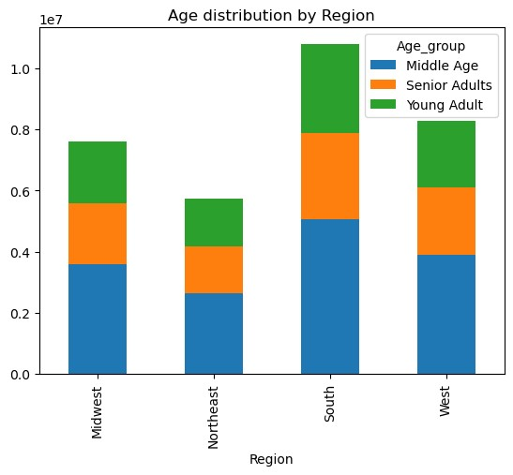
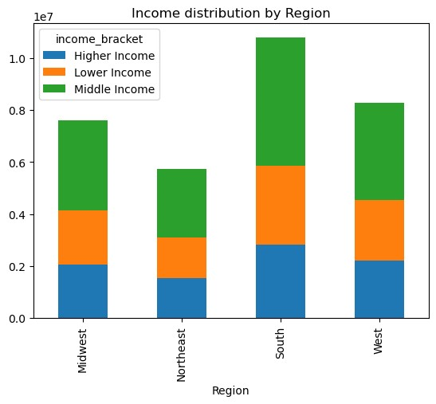
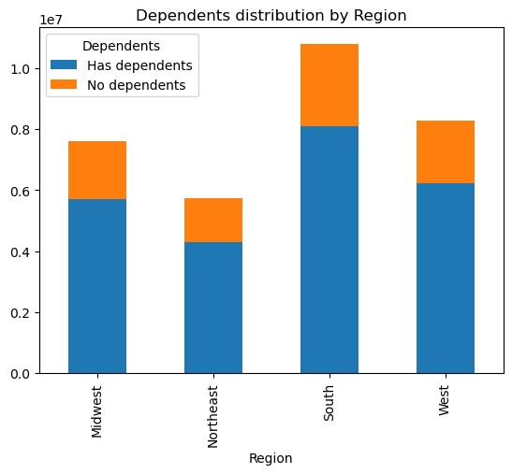
 |  | Title page

Visualisations

In this tab you should include all the visualtions from Exercises 4.9 and 4.10, alongside the questions from the project brief that they answer. Include any commentary on the relationship between different variables.

1. What are the busiest days of the week?

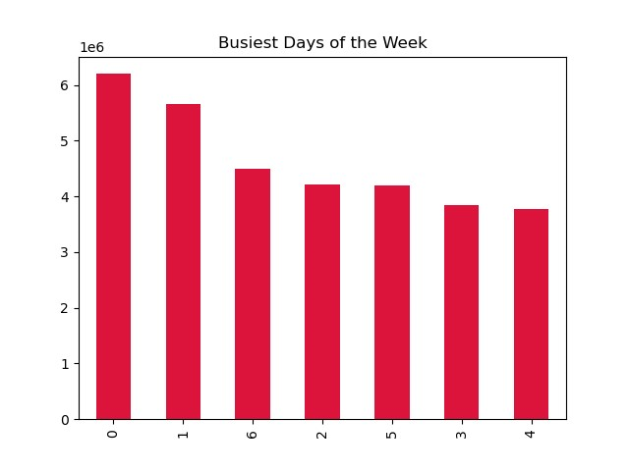

 | x axis:
 | 0 = Saturday
 | 1 = Sunday
 | 2 = Monday
 | 3 = Tuesday
 | 4 = Wednesday
 | 5 = Thursday
 | 6 = Friday

 | y axis:
 | Total number of orders (logarithmic scale)

 | Observation:
 | The busiest days of the week are Saturday and Sunday. The least busy days are Tuesday and Wednesday.

2. What are the busiest hours of the day?
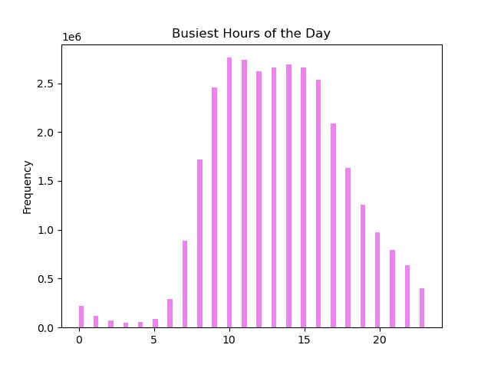

 | Observation:
 | Most orders occur during the middle of the day. The number of orders start increasing after 7am and then they peak between 9am and 5pm. They start to decrease after 5pm. The lowest number of orders occurs in the middle of the night between midnight and 5am.

3. Are there any particular times of the day when people spend the most money?
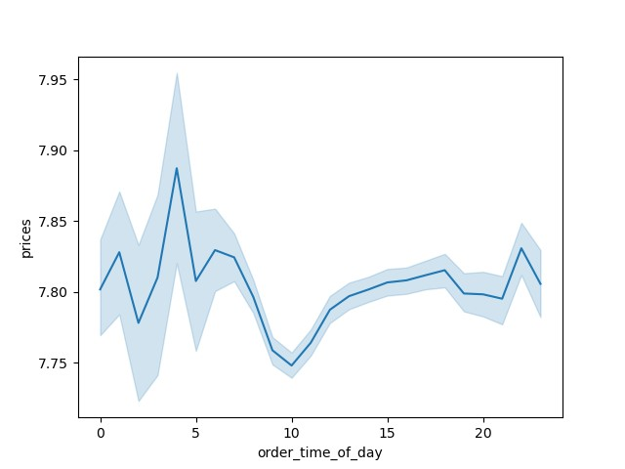

 | Observation:
 | The most money is spent between 3 and 5am. The least money is spent between 8 and 11am.

4. Instacart has a lot of products with different price tags. Marketing and sales want to use simpler price range groupings to help direct their efforts.
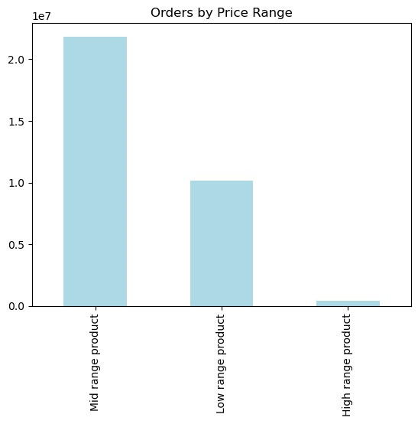

 | Observation:
 | Instacart products were divided into 3 different price ranges: low range, mid range, high range.

5. Which departments have the highest frequency of product orders?
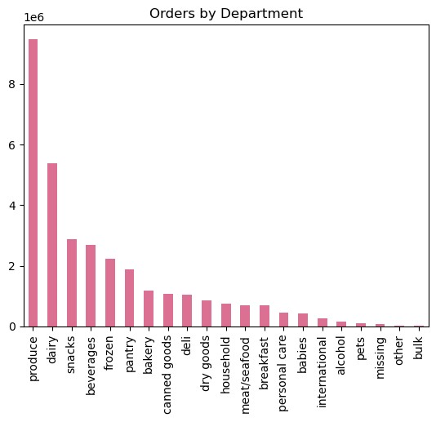

 | Observation:
 | Produce, dairy and snack departments have the highest frequency of order.

6. What’s the distribution among users in regards to their brand loyalty (i.e., how often do they return to Instacart)?

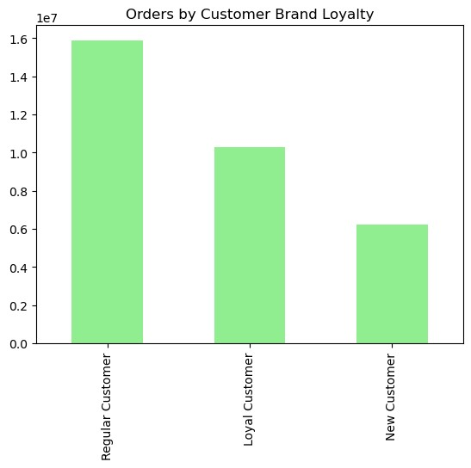

 | Observation:
 | The majority of orders occur in regular customers, then loyal customers and the least orders occur in new customers.

7. Are there differences in ordering habits based on a customer’s loyalty status?

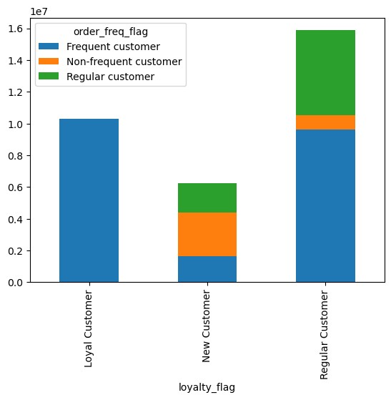
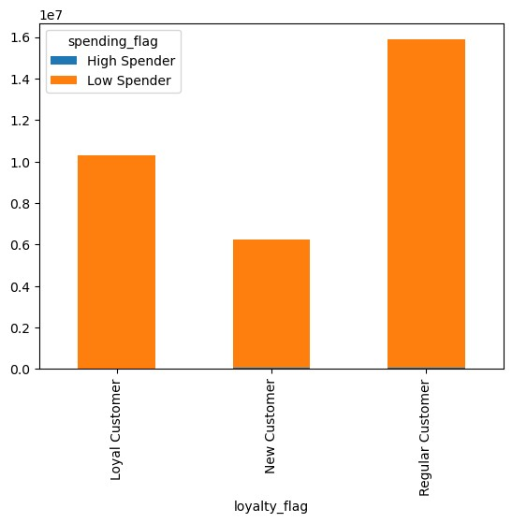
 |  |  | Observation:
 |  |  | Order frequency (time since last order): Loyal customers are the most frequent customers. Regular customers are mostly frequent customers and regular frequency and new customers are mostly non-frequent customers.

 |  |  | Spending: All customers are low spending customers

8. Are there differences in ordering habits based on a customer’s region?

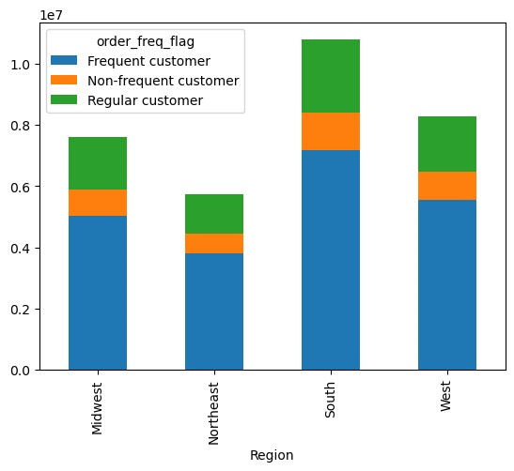
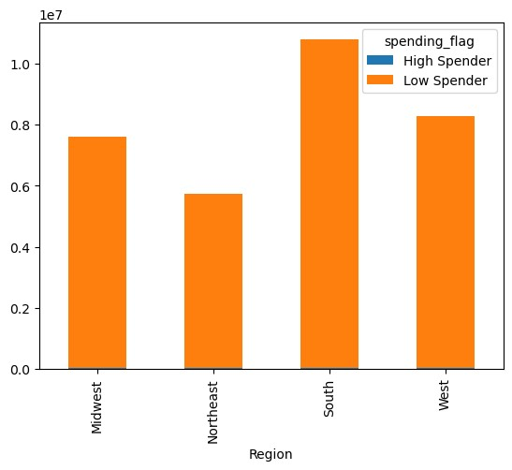

 |  |  | Observation:
 |  |  | The order of regions which order the most are: 1. South, 2. West, 3. Midwest, 4. Northeast.

 |  |  | There isn't much of a significant trend as to customer frequency in each region and all customers are low spenders.

9. Is there a connection between age and family status in terms of ordering habits?

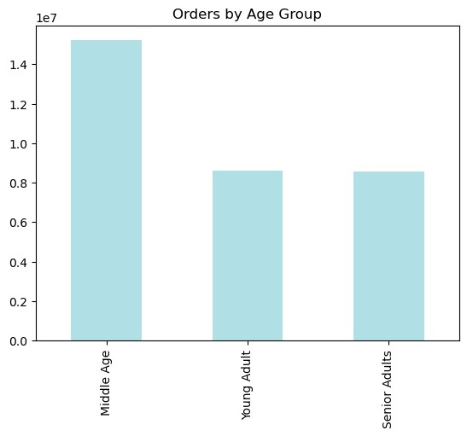
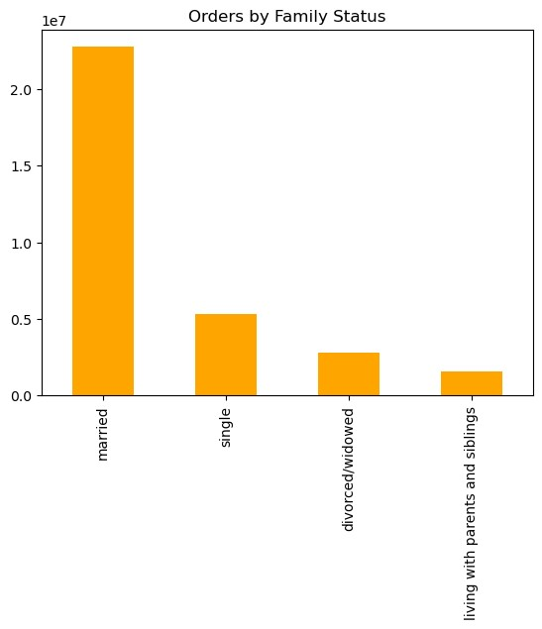
 |  |  | Observation:
 |  |  | Most orders occur in Middle Aged people and those who are married.

10. What different classifications does the demographic information suggest? Age? Income? Certain types of goods? Family status?

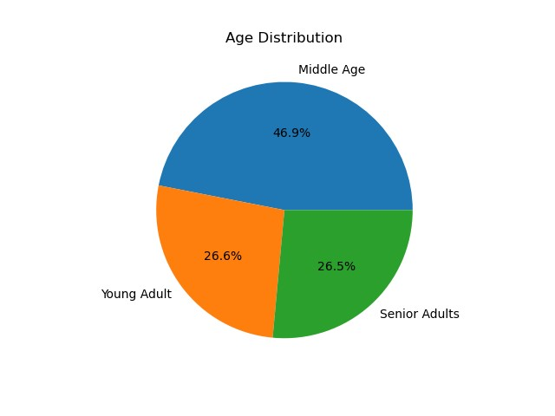
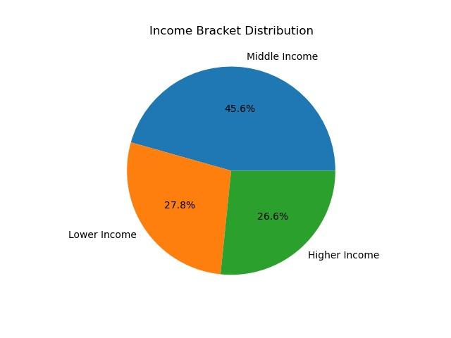
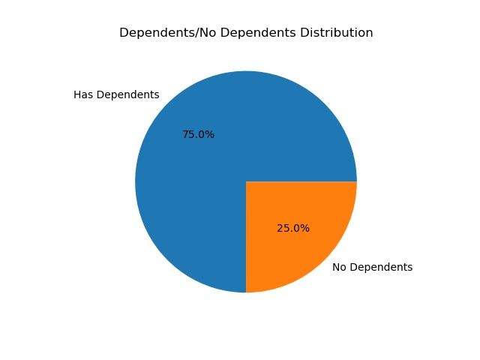
 |  |  |  | Observation:
 |  |  |  | The largest proportion of the customer demographic are Middle Aged people, with a middle income and who have dependents.

11. What differences can you find in ordering habits of different customer profiles? Consider the price of orders, the frequency of orders, the products customers are ordering, and anything else you can think of.

Customer profiles based on departmnet:
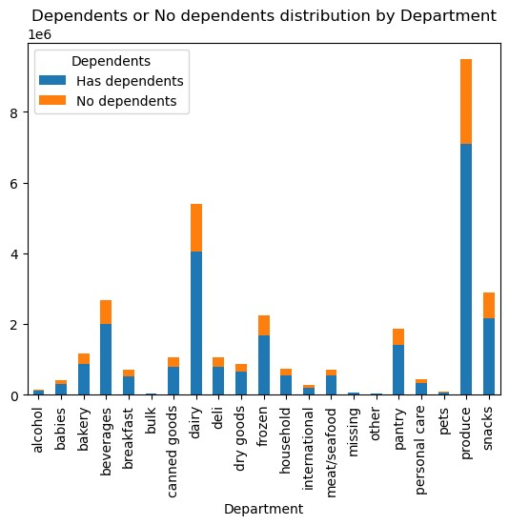
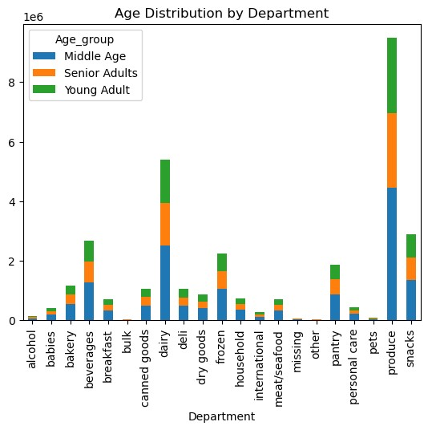
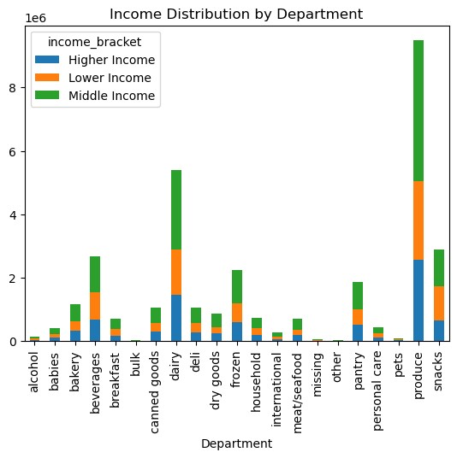

Customer profiles based on region:

7. Recommendations
 | Title page

Recommendations

In this tab you should include any recommendations you would made to Instcart in terms of their marketing strategy based on the questions posed in the brief. Every key question has been covered in the Tasks of the Exercises - here you need to add an item - a visualisation or table/crosstable that is showing the answer in the data, acompanied by a comment from you. Please, list the questions below and add the answer underneath.

Question
1. What are the busiest days of the week?

Answer: Busiest days are Saturday and Sunday. Least busy days are Wednesday and Tuesday.

Recommendation: Have mid-week offers to entice more customers on the less busy days. Also, make use of more advertising during the week to try and obtain more customers.

2. What are the busiest hours of the day?

Answer: Most orders occur during the middle of the day. The number of orders start increasing after 7am and then they peak between 9am and 5pm. They start to decrease after 5pm. The lowest number of orders occurs in the middle of the night between midnight and 5am.

Recommendation: Offer discounts and incentives that are exclusive to non-peak time hours.

3. Are there any particular times of the day when people spend the most money?

Answer: The most money is spent between 3 and 5am. The least money is spent between 8 and 11am.

Recommendation: Have deals on high range items during 8 and 11am to encourage the lower spenders to spend more money.

4. Instacart has a lot of products with different price tags. Marketing and sales want to use simpler price range groupings to help direct their efforts.

Created a new column with different price ranges: Low range, Mid Range and High Range
Low range - $5 and below
Mid range - higher than $5 but less than or equal to $15
High range - higher than $15

5. Which departments have the highest frequency of product orders?

Answer: Produce, dairy and snack departments have the highest frequency of order. Bulk, other, pets and alcohol have the lowest frequency of order.

Recommendation: Create adverts for the highest selling items, given these are the most popular it may also draw in new customers. Create offers and deals to buy multiple items of the lower selling items to increase their order frequency.

6. What’s the distribution among users in regards to their brand loyalty (i.e., how often do they return to Instacart)?

Answer: The most customers are regular customers, then loyal customers and then new customers.

Recommendation: Introduce a points loyalty scheme to encourage regular customers and new customers to start ordering more frequently.

7. Are there differences in ordering habits based on a customer’s loyalty status?

Answer: Loyal customers are the most frequent (more recently returned to the shop), followed by regular customers and new customers.

Recommendation: Introduce a points loyalty scheme to encourage regular customers and new customers to start ordering more frequently.

8. Are there differences in ordering habits based on a customer’s region?
Answer: The order of regions which order the most are: 1. South, 2. West, 3. Midwest, 4. Northeast.

Recommendation: Increase adverts and deals in the Northeast and Midwest to increase the number of customers in these regions.

9. Is there a connection between age and family status in terms of ordering habits?

Answer: Most orders occur in Middle Aged people. Young Adults and Senior Adults have a simialr number of orders. Most orders also occur in married people and occur the least in individuals living with parents and siblings, divorced/widowed and single people.

Recommendation: Increase adverts for products that might be more targetted to the lower ordering demographics.

10. What different classifications does the demographic information suggest? Age? Income? Certain types of goods? Family status?

Answer: The largest proportion of the customer demographic are Middle Aged people, with a middle income and who have dependents.

Recommendation: Increase marketing strategies focused at this demographic as this seems to be the largest customer demographic.

11. What differences can you find in ordering habits of different customer profiles? Consider the price of orders, the frequency of orders, the products customers are ordering, and anything else you can think of.

Age: Middle age group orders the most across all different departments and in all regions.

Income: Middle income groups orders the most across all different departments and in all regions.

Dependents: Users with dependents order the most across all different departments and in all regions.

Recommendation: Increase marketing strategies focused at these demographics as this seems to be the largest customer demographic.

